Cover
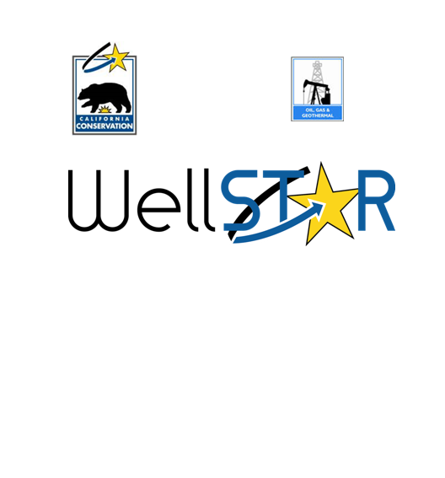
Title | EICD001 - UIC Project Well Data

Version | Author | Description | Date
1.0 | Bryan Campbell | Approved Version | 2017-08-17
1.1 | Bryan Campbell | Updated per CR0097 | 2017-11-17
1.2 | Bryan Campbell | Updated per DCR 20286 | 2018-02-05
1.3 | Bryan Campbell | Updated per DCR 18992 | 2018-02-14
1.4 | Emily Gilstrap | Updated per DCR 21644 | 2018-03-21
1.5 | Bryan Campbell | Updated per CR0164 | 2018-11-16
1.6 | Joshua Biggs | Updated for DCR 51676 | 2019-03-19
1.7 | Ryan Mangan | Updated for DCR 71773 | 2019-08-19
1.8 | Emily Gilstrap | Updated per CR0236 | 2019-11-15
1.9 | Emily Gilstrap | Updated per CR0252 | 2019-12-05
1.10 | Mikaela Rhoads | Updated per DCR 83214 | 2020-03-23

